Cybersecurity
NIST Functions
Risk Priorities & Appetite - Internal/External metrics
"Tiers" -
Maturity Map
Three (or more) Year Action Plan - NIST "Profiles" by Quarter

Service Catalog
Policy Alignment

NIST Cybersecurity
Enterprise-Aligned
Framework:
- Risks
- Service
Catalog
- Priorities
- Maturity
- Metrics
- 3-Year
Project,
Program &
Initiative
Roadmap
IT Service Management
Life-Cycle
Process
Improvement
Budgets:
Funded - Unfunded - Proposed -
Information Security Risk-Aligned Framework |  |  |  |  |  |  |  |  | Maturity Model |  |  |  |  |  |  | Action Plan FY2016 |  |  |  | Action Plan FY2017 |  |  |  | Action Plan FY2018
Function | Category | InfoSec Service Catalog | Risk | CSC Top 20 | FY-18 $ | FY-19 $ | FY-20 $ | NIST Pol. | 0 | 1 | 2 | 3 | 4 | 5 | 6 | FY18-Q1 | FY18-Q2 | FY18-Q3 | FY18-Q4 | FY19-Q1 | FY19-Q2 | FY19-Q3 | FY19-Q4 | FY20-Q1 | FY20-Q2 | FY20-Q3 | FY20-Q4
Identify | Asset Management | Ops. Sec. - Asset Management - Physical and Environmental | 4 7 | 1,2 | $xxx $xxx |  |  | DI DM |  |  |  |  |  |  |  |  | Asset Strategy |  |  | Review |  |  |  | Project 7A
 | Business Environment | Governance - Regulatory, Legal, Compliance | All | - |  |  | $xxx | AP |  |  |  |  | Metrics |  |  | Risk Program
 | Governance | Governance - Security Information Management | 5 | - | $xxx |  |  | AU PL PM |  |  |  |  |  |  |  |  | Policy Dev. |  |  |  |  |  | Policy Review
Sample Projects and Initiatives
 | Risk Assessment | Security and Risk Assessments | 5a | 4 |  | $xxx | $xxx | AR |  |  |  |  |  |  |  |  | Automate | Dashboard
CMM -metrics
CMM -metrics
 | Risk Management | Governance - Risk Management | 5b | - |  |  |  | AR |  |  |  |  |  |  |  |  | Integration 1 |  | Integration 2 |  | Integration 3 |  |  |  | Review
 | Supply Chain Risk Management | Vendor contract, Governance | All | -
Key initiatives nested and aligned
Protect | Identity Management and Access Control | Identity and Access Management (IAM) - IAM - SSO - NAC - RBAC | 2 3 6 9 | 5, 9 11, 12 13, 14 15, 16 | $xxx $xxx $xxx $xxx | $xxx | $xxx | AC IA |  |  |  |  |  |  |  | NAC |  |  | SSO - Phase 0 |  | IAM |  |  | SSO - Phase 3
 | Awareness and Training | Awareness and Training | 10 | 5,17 |  | $xxx |  | AT PS |  |  |  |  | Metrics |  |  | Alignment |  |  |  | Review |  |  |  | Review
 | Data Security | Security Architecture and Design (Life Cycle) | 13 | 1,2 |  | $xxx |  | CA |  |  |  |  |  |  |  |  | Report |  |  |  | Report |  |  |  | Report
 | Information Protection Processes and Procedures | Governance - Proactive Protection - - Policies, Standards, Guidelines - ITSM Process governance and maturity - Acquisition, Development and Maintenance - Application development life cycle | 11 | 3, 4 7, 9 10, 11 18, 19 |  |  |  | MP PE SA SC |  |  |  |  | Metrics (e-discovery) |  |  |  | MDM |  |  | IT Service Management - Automation |  |  |  | Review
Challenges identified
 | Maintenance | Operations Security - Asset Maintenance | 14 | 3 ,4 5, 11 12 |  |  | $xxx | MA |  |  |  |  |  |  |  |  |  |  |  | Asset Management |  |  |  | Full Asset Management
 | Protective Technology | Operations Security - Change Management - Information Management and Encryption | 15 | 5, 6 7, 8 11, 13 14, 16 | $xxx | $xxx | $xxx | CM |  |  |  |  |  |  |  |  | ITSM Align |  |  | Change Management |  |  |  | Review Change Mgmt.
Detect | Anomalies and Events | Monitor, Alerts and Reports - SIEM-Vuln PCI-PII-PHI | 1b | 6, 9 12, 19 | $xxx | $xxx | $xxx | SI |  |  |  |  | Metrics |  |  |  | Pen-Test |  | Pen-Test | External Pen-Test |  | Pen-Test |  | External Pen-Test |  | Pen-Test
Current State
NIST Cybersecurity Framework, Brian Ventura, Christopher Paidhrin, and Dean Musson
Revision 11.0 - 2013-2017
 | Security Continuous Monitoring | Monitor, Alerts and Reports | 1a | 4, 8 16, 19 |  | $xxx | $xxx |  |  |  |  |  |  |  |  | Expand 3 |  |  |  | Expand 4 |  |  |  | Expand 5
Future State
 | Detection Processes | Monitor, Alerts and Reports - DLP | 1 | 19 | $xxx $xxx | $xxx | $xxx |  |  |  |  |  |  |  |  |  |  | DLP Phase 2 |  | DLP Phase 3
Respond | Response Planning | Gov. - Bus. Impact Analysis | 5c | 19 |  |  |  |  |  |  |  |  |  |  |  | BIA - Phase 1 |  |  |  | BIA - Phase 3
 | Communications | Incident Response - Alignment | 8d | 19 |  |  |  |  |  |  |  |  |  |  |  | Architecture |  |  |  | Process Mapping
 | Analysis | Incident Response - Risk | 8a | 6,19 | $xxx |  |  |  |  |  |  |  |  |  |  | Risk Mapping |  | Formal Review |  |  |  | Formal Review
Maturity - progress identified
 | Mitigation | Incident Response | 8c | 4,19 |  |  |  | IR |  |  |  |  |  |  |  |  |  | CIRT Test 1 |  | CIRT Full Test |  |  |  |  |  | CIRT Test 3
 | Improvements | Incident Response - Maturity | 8e | 19,20 | $xxx |  |  |  |  |  |  |  |  |  |  | External Risk Assessment | Remediate |  |  | External Risk Assessment |  |  |  |  |  | Remediate
Recover | Recovery Planning | Ops. Security - Bus. Continuity | 8 | 10 |  | $xxx | $xxx | CP |  |  |  |  |  |  |  |  |  | DR Plan |  | Test BC Plan |  |  |  | Test BC Plan
 | Improvements | Ops. Security - Downtime Mgmt. | 8b | 20 |  |  |  |  |  |  |  |  |  |  |  | Document |  | Standardize Training |  | Test Downtime Plan |  |  |  | Test Downtime Plan
 | Communications | Ops. Security - Svc. Alignment | 12 | - | $xxx |  |  |  |  |  |  |  |  |  |  | LMS Review |  | Mid-year |  | LMS Review |  | Mid-year |  | LMS Review |  | Mid-year

Aligned Standards
Business View / Priorities / Risk-Alignment
Continuous Process and Service Improvement

Guide - Index
Functions
Sub-Category - Service Catalog
CSC or NIST Core Info. References
Policy Alignment
Maturity specifics (process, policy, documentation and automation), used to calculate maturity map
"Tiers" or Maturity Map (see legend)
Three Year (or more) Action Plan (Implementation) based on "Profiles" -- Identified Risks, Priorities, Maturity, and Capabilities. Quarter-by-quarter initiative or project time-lines and measures of success

Cat. IDs
Risk Priorities & Appetite - Internal/External metrics
Funded - Unfunded - Proposed

IDENTIFY
Challenges across services are readily identified
Information Security Risk-Aligned Framework |  |  |  |  |  |  |  |  |  |  |  |  |  |  |  |  |  |  |  |  |  | Maturity Roadmap FY2017
Function | Category Unique Identifier | Links | Category | Priority | Organization Service Catalog | CSC Top Twenty | FY2018 $ | FY2019 $ | FY2020 $ | FY2021 $ | FY2022 $ | NIST Policy Family | Process Level | Policy Level | Documentation Level | Automation Level | Process Value | Policy Value | Document Value | Automate Value | Maturity Score | 1 Initial | 2 Repeatable | 3 Defined | 4 Managed | 5 Optimizing | Action Plan FY2018-2019 | Action Plan FY2019-2020 | Action Plan FY2020-2021
 | AM | Infrastructure | Asset Management | 5.5 | CMDB system, Cisco Prime Vulnerability Scanner, CMDB system Visio (CASB) | 1, 2 | 35,000 | 35,000 | 10,000 | 60,000 | 10,000 | DI, DM |  |  |  |  |  |  |  |  | #N/A |  |  |  |  |  | Vulnerability Management Program Expansion Vulnerability Management Passive Scan Implementation | Network Access Control Evaluation CASB Evaluation Software Whitelising Evaluation Review Asset Management Roles and Responsibilities | Map Data Flows
 |  |  |  | 8 | CMDB system, Cisco Prime | 1 |  |  |  |  |  |  | Standardized | Informal | Formal | Partial | #N/A | 5% | 10% | 5% | #N/A |  |  |  |  |  | Vulnerability Management Program Expansion Vulnerability Management Passive Scan Implementation | Network Access Control Evaluation
Budget items roll up to high level catagory
 |  |  |  | 8 | Vulnerability Scanner, CMDB system | 2 | 10,000 | 10,000 | 10,000 | 10,000 | 10,000 |  | Measured | None | Formal | Full | 40% | 0% | 10% | 10% | 60% |  |  |  |  |  |  | CASB Evaluation Software Whitelising Evaluation
 |  |  |  | 4 | Visio | 1 |  |  |  |  |  |  | Inconsistent | None | Formal | None | 10% | 0% | 10% | 0% | 20% |  |  |  |  |  |  |  | Map Data Flows
 |  |  |  | 7 | (CASB) | 1 | 25,000 | 25,000 | 0 | 50,000 | 0 |  | None | None | None | None | 0% | 0% | 0% | 0% | 0%
 |  |  |  | 3 |  |  |  |  |  |  |  |  | Inconsistent | None | Informal | None | 10% | 0% | 5% | 0% | 15%
 |  |  |  | 3 |  |  |  |  |  |  |  |  | Inconsistent | Informal | None | None | 10% | 5% | 0% | 0% | 15% |  |  |  |  |  |  | Review Asset Management Roles and Responsibilities
Sample Projects and Initiatives
 | BE |  | Business Environment | 3.2 |  |  | 0 | 0 | 0 | 0 | 0 | AP |  |  |  |  |  |  |  |  | #N/A |  |  |  |  |  | Align with Organizational Mission
 |  |  |  | 2 |  |  |  |  |  |  |  |  | Inconsistent | None | None | None | 10% | 0% | 0% | 0% | 10%
 |  |  |  | 2 |  |  |  |  |  |  |  |  | Inconsistent | Defined | Formal | Partial | 10% | 10% | 10% | 5% | 35%
 |  |  |  | 6 |  |  |  |  |  |  |  |  | Standardized | None | Improvement Process | Partial | #N/A | 0% | 20% | 5% | #N/A |  |  |  |  |  | Align with Organizational Mission
 |  |  |  | 3 |  |  |  |  |  |  |  |  | Inconsistent | Audited | Formal | Partial | 10% | 15% | 10% | 5% | 40%
 |  |  |  | 3 |  |  |  |  |  |  |  |  | Inconsistent | Audited | Metrics and Reporting | None | 10% | 15% | 15% | 0% | 40%
Calapse and Expand sub-sections and columns above
 | GV | Governance | Governance | 7.5 | Security Policy Security Policy, (Eramba GRC) Eramba GRC |  | 250,000 | 100,000 | 100,000 | 100,000 | 100,000 | AU, PL, PM |  |  |  |  |  |  |  |  | 26.3% |  |  |  |  |  | Review Roles and Responsibilities Review Information Security Policies and Architecture GRC Framework Evaluation and Project HIPAA and PCI Assessment | Review Roles and Responsibilities Review Information Security Policies and Architecture GRC Framework Project Phase 1 and Phase 2 HIPAA and PCI Assessment | Review Roles and Responsibilities Review Information Security Policies and Architecture GRC Framework Project Phase 3 and Phase 4 HIPAA and PCI Assessment
 |  |  |  | 8 | Security Policy |  |  |  |  |  |  |  | Inconsistent | Defined | Formal | None | 10% | 10% | 10% | 0% | 30% |  |  |  |  |  | Review Roles and Responsibilities | Review Roles and Responsibilities | Review Roles and Responsibilities
 |  |  |  | 8 | Security Policy, (Eramba GRC) |  | 250,000 | 100,000 | 100,000 | 100,000 | 100,000 |  | Inconsistent | Defined | Formal | None | 10% | 10% | 10% | 0% | 30% |  |  |  |  |  | Review Information Security Policies and Architecture | Review Information Security Policies and Architecture | Review Information Security Policies and Architecture
 |  |  |  | 9 | Eramba GRC |  |  |  |  |  |  |  | Inconsistent | Defined | Formal | None | 10% | 10% | 10% | 0% | 30% |  |  |  |  |  | GRC Framework Evaluation and Project | GRC Framework Project Phase 1 and Phase 2 | GRC Framework Project Phase 3 and Phase 4
 |  |  |  | 5 |  |  |  |  |  |  |  |  | Inconsistent | Informal | None | None | 10% | 5% | 0% | 0% | 15% |  |  |  |  |  | HIPAA and PCI Assessment | HIPAA and PCI Assessment | HIPAA and PCI Assessment
CMM and metrics agnostic
 | RA | Risk Assessments | Risk Assessment | 5.5 | Vulnerability Management, Penetration Testing, Risk Assessments MS-ISAC Threat Inteligence Vulnerability Management, Penetration Testing, Risk Assessments Risk Assessments Risk Assessments Risk Assessments | 3, 20 | 0 | 0 | 0 | 0 | 0 | AR |  |  |  |  |  |  |  |  | 35.0% |  |  |  |  |  | Vulnerability Management Expansion Project Expand Threat Intelligence Cardholder Data Risk Assessments Risk Assessment Improvements | Evaluate MS-ISAC Threat Intelligence Cardholder Data Risk Assessments Risk Assessment Improvements | Cardholder Data Risk Assessments Risk Assessment Improvements
 |  |  |  | 8 | Vulnerability Management, Penetration Testing, Risk Assessments | 3 |  |  |  |  |  |  | Repeatable | Informal | Informal | None | 20% | 5% | 5% | 0% | 30% |  |  |  |  |  | Vulnerability Management Expansion Project
 |  |  |  | 5 | MS-ISAC Threat Inteligence | 3 |  |  |  |  |  |  | Inconsistent | Defined | Informal | None | 10% | 10% | 5% | 0% | 25% |  |  |  |  |  | Expand Threat Intelligence | Evaluate MS-ISAC Threat Intelligence
 |  |  |  | 7 | Vulnerability Management, Penetration Testing, Risk Assessments | 3, 20 |  |  |  |  |  |  | Inconsistent | Defined | Informal | Partial | 10% | 10% | 5% | 5% | 30%
 |  |  |  | 5 | Risk Assessments |  |  |  |  |  |  |  | Inconsistent | Audited | Informal | None | 10% | 15% | 5% | 0% | 30% |  |  |  |  |  | Cardholder Data Risk Assessments | Cardholder Data Risk Assessments | Cardholder Data Risk Assessments
 |  |  |  | 5 | Risk Assessments |  |  |  |  |  |  |  | Repeatable | Embedded | Informal | None | 20% | 20% | 5% | 0% | 45%
 |  |  |  | 3 | Risk Assessments |  |  |  |  |  |  |  | Inconsistent | Defined | Improvement Process | Full | 10% | 10% | 20% | 10% | 50% |  |  |  |  |  | Risk Assessment Improvements | Risk Assessment Improvements | Risk Assessment Improvements
 | RM | Risk Management | Risk Management | 7.3 |  |  | 0 | 0 | 0 | 0 | 0 | AR |  |  |  |  |  |  |  |  | 15.0% |  |  |  |  |  | Review Risk Process Review Tolerance | Review Risk Process Review Tolerance | Review Risk Process Review Tolerance
 |  |  |  | 8 |  |  |  |  |  |  |  |  | Repeatable | None | Informal | None | 20% | 0% | 5% | 0% | 25% |  |  |  |  |  | Review Risk Process | Review Risk Process | Review Risk Process
 |  |  |  | 8 |  |  |  |  |  |  |  |  | Inconsistent | None | None | None | 10% | 0% | 0% | 0% | 10% |  |  |  |  |  | Review Tolerance | Review Tolerance | Review Tolerance
 |  |  |  | 6 |  |  |  |  |  |  |  |  | Inconsistent | None | None | None | 10% | 0% | 0% | 0% | 10%
 | SC | Supply Chain Risk Management | Supply Chain Risk Management | 7.6 |  |  | 0 | 0 | 0 | 0 | 0 | SA |  |  |  |  |  |  |  |  | 26.0% |  |  |  |  |  | Review Supply Chain Process Review Vendors | Review Supply Chain Process Review Vendors | Review Supply Chain Process Review Vendors
 |  |  |  | 8 |  |  |  |  |  |  |  |  | Repeatable | None | Informal | None | 20% | 0% | 5% | 0% | 25% |  |  |  |  |  | Review Supply Chain Process | Review Supply Chain Process | Review Supply Chain Process
 |  |  |  | 8 |  |  |  |  |  |  |  |  | Repeatable | Embedded | Metrics and Reporting | None | 20% | 20% | 15% | 0% | 55% |  |  |  |  |  | Review Vendors | Review Vendors | Review Vendors
 |  |  |  | 8 |  |  |  |  |  |  |  |  | Inconsistent | None | None | None | 10% | 0% | 0% | 0% | 10% |  |  |  |  |  | Review Vendors | Review Vendors | Review Vendors
 |  |  |  | 8 |  |  |  |  |  |  |  |  | Inconsistent | None | None | None | 10% | 0% | 0% | 0% | 10% |  |  |  |  |  | Review Vendors | Review Vendors | Review Vendors
 |  |  |  | 6 |  |  |  |  |  |  |  |  | Repeatable | Informal | Informal | None | 20% | 5% | 5% | 0% | 30%
PROTECT
 | AC |  | Identity Management and Access Control | 8.2 | Active Directory, ADFS, (IAM) (VPN), (IAM), (MDM) (PAM), (NAC) Firewall, Web Filter, (NAC) | 5, 11-14, 16, 18 | 520,000 | 10,000 | 0 | 20,000 | 0 | AC, IA |  |  |  |  |  |  |  |  | 18.0% |  |  |  |  |  | Identity Access Management Evaluation Remote Access Expansion Review Active Directory Web Content Filter Project | Privleged Access Management Eval Network Access Control Evaluation Review Active Directory | Identity Access Mgmt Project MDM Evaluation Review Active Directory Firewall Refresh Project
 |  |  |  | 8 | Active Directory, ADFS, (IAM) | 18 | 10,000 | 10,000 |  |  |  |  | Inconsistent | Defined | Informal | None | 10% | 10% | 5% | 0% | 25% |  |  |  |  |  | Identity Access Management Evaluation | Privleged Access Management Eval | Identity Access Mgmt Project
 |  |  |  | 7 |  |  |  |  |  |  |  |  | Inconsistent | Informal | None | None | 10% | 5% | 0% | 0% | 15%
 |  |  |  | 8 | (VPN), (IAM), (MDM) | 12 | 500,000 |  |  |  |  |  | Inconsistent | Informal | None | None | 10% | 5% | 0% | 0% | 15% |  |  |  |  |  | Remote Access Expansion |  | MDM Evaluation
 |  |  |  | 8 | (PAM), (NAC) | 5, 14, 16, 18 |  |  |  |  |  |  | Inconsistent | Informal | None | None | 10% | 5% | 0% | 0% | 15% |  |  |  |  |  | Review Active Directory | Network Access Control Evaluation Review Active Directory | Review Active Directory
 |  |  |  | 10 | Firewall, Web Filter, (NAC) | 11, 12, 13, 14 | 10,000 |  |  | 20,000 |  |  | Inconsistent | Defined | None | None | 10% | 10% | 0% | 0% | 20% |  |  |  |  |  | Web Content Filter Project |  | Firewall Refresh Project
 |  |  |  | 6 | User Awareness, (Phish Training) | 17 |  |  |  |  |  |  | Repeatable | Defined | Informal | None | 20% | 10% | 5% | 0% | 35% |  |  |  |  |  | PCI Education General Education | Review Education Program | Review Education Program
 |  |  |  | 7 | Security Policy, (Eramba GRC) | 5, 17 |  |  |  |  |  |  | Inconsistent | Informal | None | None | 10% | 5% | 0% | 0% | 15%
 |  |  |  | 5 | Security Policy | 17 |  |  |  |  |  |  | Inconsistent | Informal | None | None | 10% | 5% | 0% | 0% | 15%
 |  |  |  | 6 | Security Policy, (Eramba GRC) | 17 |  |  |  |  |  |  | Inconsistent | Informal | None | None | 10% | 5% | 0% | 0% | 15%
 |  |  |  | 4 | Security Policy, (Eramba GRC) | 17 |  |  |  |  |  |  | Inconsistent | Informal | None | None | 10% | 5% | 0% | 0% | 15%
 | DS |  | Data Security | 5.1 | Bitlocker, Storage Encryption, Certificate Services TLS, Certificate Services Operational Monitoring, External Monitoring Data Loss Prevention, Digital Rights Management Tripwire | 1, 2, 13, 14 | 0 | 0 | 0 | 0 | 0 | CA |  |  |  |  |  |  |  |  | 8.6% |  |  |  |  |  | SAN Encryption at rest Workstation Certificates Policy to encrypt all network connections (3yr compliance) | Data Classification Project Data Loss Prevention Evaluation Evaluate FIM solution | Encourage compliance with 100% encryption policy Evaluate FIM solution
 |  |  |  | 9 | Bitlocker, Storage Encryption, Certificate Services | 14 |  |  |  |  |  |  | Inconsistent | Defined | None | None | 10% | 10% | 0% | 0% | 20% |  |  |  |  |  | SAN Encryption at rest Workstation Certificates | Data Classification Project
 |  |  |  | 9 | TLS, Certificate Services | 13, 14 |  |  |  |  |  |  | Inconsistent | Defined | None | None | 10% | 10% | 0% | 0% | 20% |  |  |  |  |  | Policy to encrypt all network connections (3yr compliance) |  | Encourage compliance with 100% encryption policy
 |  |  |  | 4 |  | 1 |  |  |  |  |  |  | Inconsistent | None | None | None | 10% | 0% | 0% | 0% | 10%
 |  |  |  | 3 | Operational Monitoring, External Monitoring |  |  |  |  |  |  |  | None | None | None | None | 0% | 0% | 0% | 0% | 0%
 |  |  |  | 4 | Data Loss Prevention, Digital Rights Management | 13 |  |  |  |  |  |  | None | None | None | None | 0% | 0% | 0% | 0% | 0% |  |  |  |  |  |  | Data Loss Prevention Evaluation
 |  |  |  | 3 | Tripwire | 2 |  |  |  |  |  |  | Inconsistent | None | None | None | 10% | 0% | 0% | 0% | 10% |  |  |  |  |  |  | Evaluate FIM solution | Evaluate FIM solution
 |  |  |  | 4 |  |  |  |  |  |  |  |  | None | None | None | None | 0% | 0% | 0% | 0% | 0%
 | IP |  | Information Protection Processes and Procedures | 5.4 | CIS Benchmarks, DISA STIGs IT Change Control Backup/Restore solution Incident Response Plan, Business Continuity Plan Incident Response Plan, Business Continuity Plan Vulnerability Management, 3rd Party | 5, 3, 7, 11, 19 | 0 | 0 | 0 | 0 | 0 | MP, PE, SA, SC |  |  |  |  |  |  |  |  | 14.6% |  |  |  |  |  |  | Document Plan | Review Plan
 |  |  |  | 5 | CIS Benchmarks, DISA STIGs | 5, 7, 11 |  |  |  |  |  |  | Inconsistent | None | Informal | None | 10% | 0% | 5% | 0% | 15%
 |  |  |  | 4 |  |  |  |  |  |  |  |  | Inconsistent | None | None | None | 10% | 0% | 0% | 0% | 10%
 |  |  |  | 4 | IT Change Control |  |  |  |  |  |  |  | Repeatable | Informal | Formal | Partial | 20% | 5% | 10% | 5% | 40%
 |  |  |  | 8 | Backup/Restore solution |  |  |  |  |  |  |  | Repeatable | None | Informal | None | 20% | 0% | 5% | 0% | 25%
 |  |  |  | 8 |  |  |  |  |  |  |  |  | Inconsistent | Informal | None | None | 10% | 5% | 0% | 0% | 15%
 |  |  |  | 6 |  |  |  |  |  |  |  |  | Inconsistent | None | None | None | 10% | 0% | 0% | 0% | 10%
 |  |  |  | 5 |  |  |  |  |  |  |  |  | Inconsistent | None | None | None | 10% | 0% | 0% | 0% | 10% |  |  |  |  |  |  | Document Plan | Review Plan
 |  |  |  | 4 |  |  |  |  |  |  |  |  | Inconsistent | None | None | None | 10% | 0% | 0% | 0% | 10%
 |  |  |  | 6 | Incident Response Plan, Business Continuity Plan |  |  |  |  |  |  |  | None | Informal | Informal | None | 0% | 5% | 5% | 0% | 10%
 |  |  |  | 3 | Incident Response Plan, Business Continuity Plan | 19 |  |  |  |  |  |  | None | None | None | None | 0% | 0% | 0% | 0% | 0%
 |  |  |  | 4 |  |  |  |  |  |  |  |  | Inconsistent | None | None | None | 10% | 0% | 0% | 0% | 10%
 |  |  |  | 8 | Vulnerability Management, 3rd Party | 3 |  |  |  |  |  |  | Inconsistent | Informal | None | Partial | 10% | 5% | 0% | 5% | 20%
 | MA |  | Maintenance | 4.0 |  | 4, 12 | 0 | 0 | 0 | 0 | 0 | MA |  |  |  |  |  |  |  |  | 22.5%
 |  |  |  | 2 |  |  |  |  |  |  |  |  | Repeatable | Informal | Informal | None | 20% | 5% | 5% | 0% | 30%
 |  |  |  | 6 |  | 4, 12 |  |  |  |  |  |  | Inconsistent | Informal | None | None | 10% | 5% | 0% | 0% | 15%
 | PT |  | Protective Technology | 6.5 | Log Management, SIEM (IAM) | 4, 6, 8, 11, 13, 14, 18 | 0 | 0 | 0 | 0 | 0 | CM |  |  |  |  |  |  |  |  | 10.0% |  |  |  |  |  |  | SIEM management/ rules SIEM Tuning | SIEM Tuning
 |  |  |  | 7 | Log Management, SIEM | 6 |  |  |  |  |  |  | Inconsistent | None | None | None | 10% | 0% | 0% | 0% | 10% |  |  |  |  |  |  | SIEM management/ rules SIEM Tuning | SIEM Tuning
 |  |  |  | 3 |  | 8, 13, 14 |  |  |  |  |  |  | None | None | None | None | 0% | 0% | 0% | 0% | 0%
 |  |  |  | 8 | (IAM) | 4, 14, 18 |  |  |  |  |  |  | Inconsistent | Defined | None | None | 10% | 10% | 0% | 0% | 20%
 |  |  |  | 8 |  | 11 |  |  |  |  |  |  | Inconsistent | None | None | None | 10% | 0% | 0% | 0% | 10%
 |  |  |  | 3 | (Vulnerability Management), (Network Analytics) | 12 |  |  |  |  |  |  | None | None | None | None | 0% | 0% | 0% | 0% | 0% |  |  |  |  |  |  | Network Analytics
 |  |  |  | 6 |  | 19 |  |  |  |  |  |  | Inconsistent | None | None | None | 10% | 0% | 0% | 0% | 10%
 |  |  |  | 7 | 'Log Management, SIEM | 6 |  |  |  |  |  |  | Inconsistent | None | None | None | 10% | 0% | 0% | 0% | 10% |  |  |  |  |  |  | SIEM Tuning
 |  |  |  | 8 | 'Log Management, SIEM | 19 |  |  |  |  |  |  | Inconsistent | None | None | None | 10% | 0% | 0% | 0% | 10% |  |  |  |  |  |  | SIEM Tuning
 |  |  |  | 5 | JSA, (GrayLog) | 19 |  |  |  |  |  |  | Inconsistent | None | None | None | 10% | 0% | 0% | 0% | 10% |  |  |  |  |  |  | SIEM Tuning
 |  |  |  | 6 | '(Vulnerability Management), (Network Analytics) | 19 |  | 2,000 |  |  |  |  | None | None | None | None | 0% | 0% | 0% | 0% | 0% |  |  |  |  |  | Passive Scanner Pilot | PVS
 |  |  |  | 4 |  | 19 |  |  |  |  |  |  | None | None | None | None | 0% | 0% | 0% | 0% | 0%
 |  |  |  | 5 | (Network Analytics) | 19 |  |  |  |  |  |  | None | None | None | None | 0% | 0% | 0% | 0% | 0%
 |  |  |  | 8 | Malware Protection | 8, 19 |  |  |  |  |  |  | Repeatable | Defined | Informal | Partial | 20% | 10% | 5% | 5% | 40%
 |  |  |  | 6 |  | 8, 19 |  |  |  |  |  |  | None | Defined | None | None | 0% | 10% | 0% | 0% | 10%
 |  |  |  | 4 | (CASB) | 19 |  |  |  |  |  |  | None | None | None | None | 0% | 0% | 0% | 0% | 0%
 |  |  |  | 5 |  | 19 |  |  |  |  |  |  | Inconsistent | Informal | None | None | 10% | 5% | 0% | 0% | 15%
 |  |  |  | 8 | Vulnerability Management | 3 |  |  |  |  |  |  | Inconsistent | Informal | None | None | 10% | 5% | 0% | 0% | 15% |  |  |  |  |  | Vulnerability Management Expansion
 |  |  |  | 8 |  | 6 |  |  |  |  |  |  | Inconsistent | Informal | None | None | 10% | 5% | 0% | 0% | 15% |  |  |  |  |  |  | Network Passive scanner IPS/IDS Review
 |  |  |  | 7 |  | 6 |  |  |  |  |  |  | Inconsistent | None | None | None | 10% | 0% | 0% | 0% | 10% |  |  |  |  |  |  | Network Passive scanner IPS/IDS Review
 |  |  |  | 4 |  | 6 |  |  |  |  |  |  | None | None | None | None | 0% | 0% | 0% | 0% | 0% |  |  |  |  |  |  | Network Passive scanner
 |  |  |  | 4 |  | 6 |  |  |  |  |  |  | Inconsistent | None | None | None | 10% | 0% | 0% | 0% | 10%
 |  |  |  | 4 |  | 6 |  |  |  |  |  |  | None | None | None | None | 0% | 0% | 0% | 0% | 0%
 |  |  |  | 8 |  | 19 |  |  |  |  |  |  | Inconsistent | Informal | Informal | None | 10% | 5% | 5% | 0% | 20% |  |  |  |  |  | Build IR Plan | Review IR Plan | Review IR Plan
 |  |  |  | 8 |  | 19 |  |  |  |  |  |  | Inconsistent | Informal | None | None | 10% | 5% | 0% | 0% | 15% |  |  |  |  |  |  | Tabiletop IR | Tabiletop IR
 |  |  |  | 8 |  | 19 |  |  |  |  |  |  | Inconsistent | None | Informal | None | 10% | 0% | 5% | 0% | 15%
 |  |  |  | 6 |  | 19 |  |  |  |  |  |  | Inconsistent | None | None | None | 10% | 0% | 0% | 0% | 10%
 |  |  |  | 5 |  | 19 |  |  |  |  |  |  | Inconsistent | None | None | None | 10% | 0% | 0% | 0% | 10%
 |  |  |  | 3 |  | 19 |  |  |  |  |  |  | Inconsistent | None | None | None | 10% | 0% | 0% | 0% | 10%
 |  |  |  | 8 |  | 19 |  |  |  |  |  |  | Inconsistent | None | None | None | 10% | 0% | 0% | 0% | 10%
 |  |  |  | 8 |  | 19 |  |  |  |  |  |  | Inconsistent | None | None | None | 10% | 0% | 0% | 0% | 10%
 |  |  |  | 5 | 3rd party vendor, MS-ISAC | 19 | 40,000 |  | 40,000 |  | 40,000 |  | Inconsistent | None | Informal | None | 10% | 0% | 5% | 0% | 15% |  |  |  |  |  | Perform forensic tests | Perform forensic tests
 |  |  |  | 6 |  | 19 |  |  |  |  |  |  | Inconsistent | None | Informal | None | 10% | 0% | 5% | 0% | 15%
 |  |  |  | 8 |  | 19 |  |  |  |  |  |  | Inconsistent | Defined | Informal | None | 10% | 10% | 5% | 0% | 25%
 |  |  |  | 6 |  | 19 |  |  |  |  |  |  | Inconsistent | Informal | Informal | None | 10% | 5% | 5% | 0% | 20%
 |  |  |  | 6 |  | 3 |  |  |  |  |  |  | Inconsistent | Informal | None | None | 10% | 5% | 0% | 0% | 15% |  |  |  |  |  | Exception Review | Exception review | Exception review
 |  |  |  | 4 |  | 19 |  |  |  |  |  |  | None | None | None | None | 0% | 0% | 0% | 0% | 0%
 |  |  |  | 4 |  | 19 |  |  |  |  |  |  | None | None | None | None | 0% | 0% | 0% | 0% | 0% |  |  |  |  |  | Update IR procedures | Update IR procedures | Update IR procedures
 |  |  |  | 5 |  | 19 |  |  |  |  |  |  | None | None | None | None | 0% | 0% | 0% | 0% | 0% |  |  |  |  |  | COOP Project
 |  |  |  | 4 |  | 19 |  |  |  |  |  |  | None | None | None | None | 0% | 0% | 0% | 0% | 0%
 |  |  |  | 4 |  | 19 | 5,000 |  |  |  |  |  | None | None | None | None | 0% | 0% | 0% | 0% | 0%
 | CO |  | Communications | 3.0 |  | 19 | 0 | 0 | 0 | 0 | 0 |  |  |  |  |  |  |  |  |  | 10.0%
 |  |  |  | 4 |  | 19 |  |  |  |  |  |  | Inconsistent | None | None | None | 10% | 0% | 0% | 0% | 10%
 |  |  |  | 3 |  | 19 |  |  |  |  |  |  | Inconsistent | None | None | None | 10% | 0% | 0% | 0% | 10%
 |  |  |  | 2 |  | 19 |  |  |  |  |  |  | Inconsistent | None | None | None | 10% | 0% | 0% | 0% | 10%

 |  |  |  |  |  |  |  | Proposed |  |  | Funded |  |  |  |  |  |  |  |  |  |  |  | Current State |  |  | Progress Areas
 |  |  |  |  |  |  |  |  |  |  | Unfunded |  |  |  |  |  |  |  |  |  |  |  | Future State |  |  | Challenge Areas

NIST Cybersecurity Framework, Brian Ventura, Christopher Paidhrin, and Dean Musson
Revision 11.0 - 2013-2017
Maturity level of "Defined", "Relational", or "Managed" (3, or mid-line), is 'realistic' near-term goal

V1.1 vs V2.0
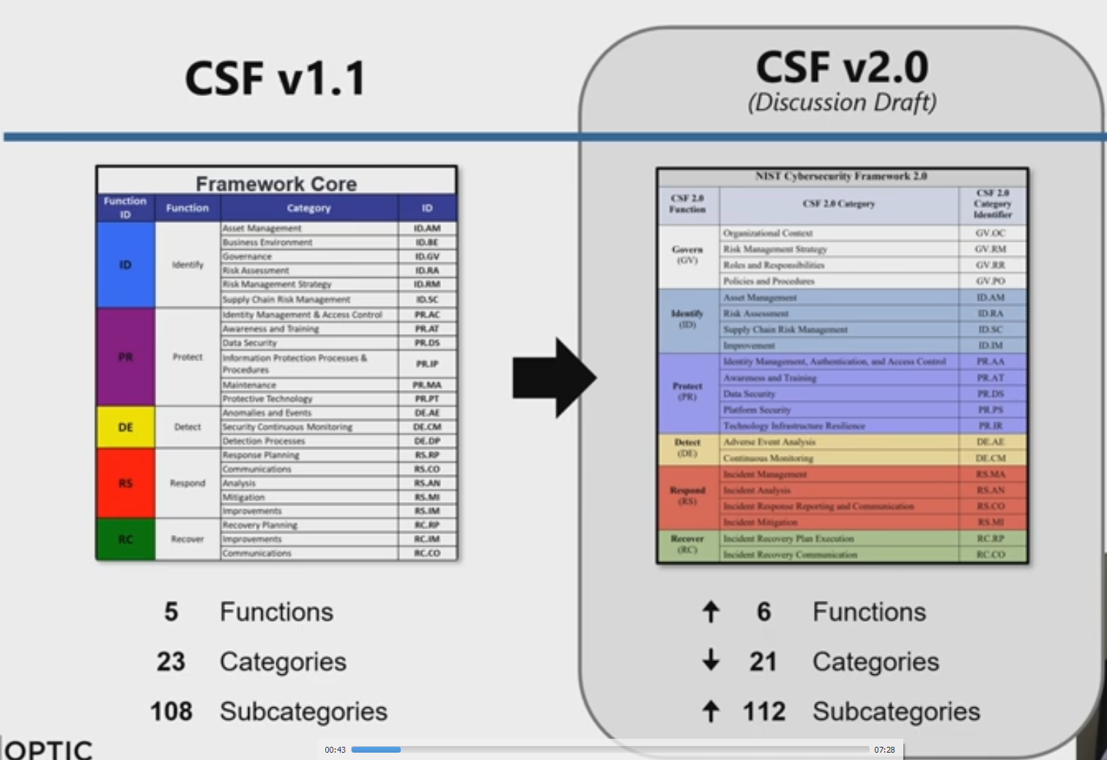
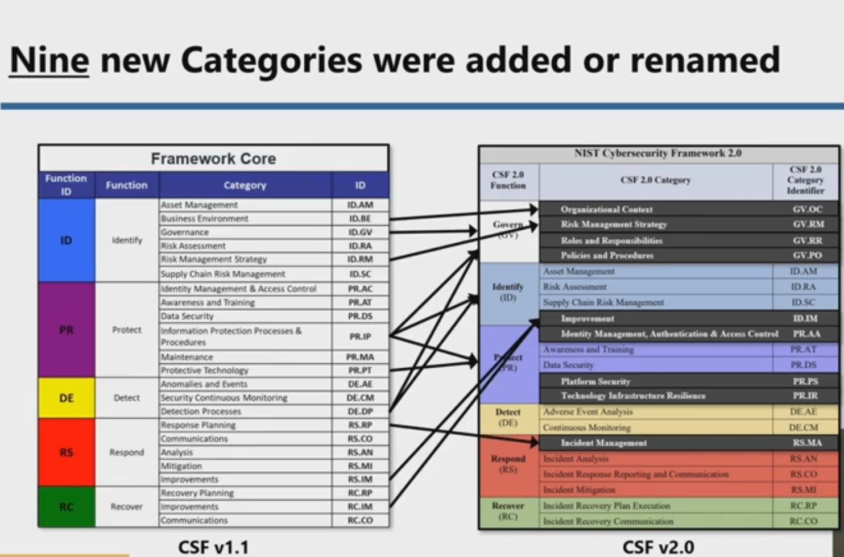

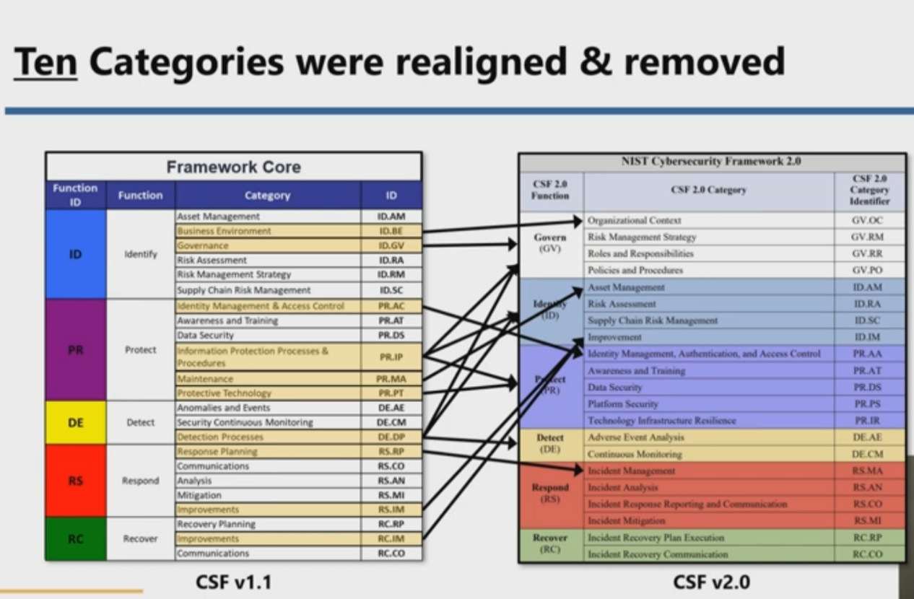

CMM
